Problem 01
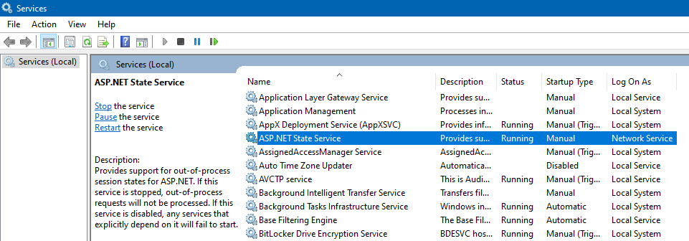
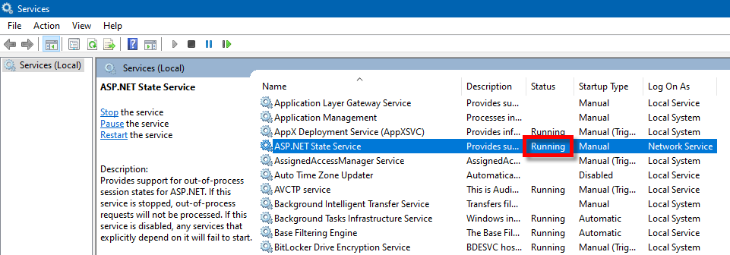
Problem
Debugging

\OLS\Dsf.Olss\Web.config

Problem:

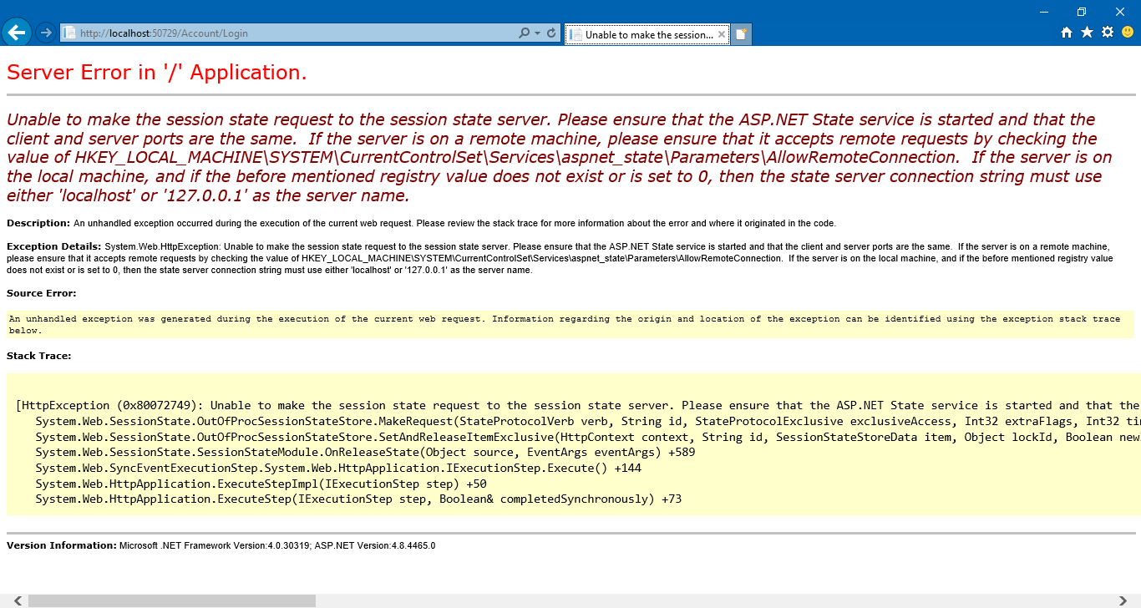

Solution:
https://stackoverflow.com/questions/1376717/unable-to-make-the-session-state-request-to-the-session-state-server

Environment
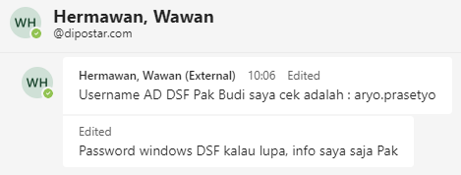
Environment

0 | PROD

 | Web App:
 | http://dc-olssweb.corp.dipostar.com/olss2

 | Database:
 | 172.30.3.11

 | Database User / Password:
 | BSI_ARYOBUDI
 | Aryo000!
 | Aryo7890 | 20220307MON

 | FW: Access DB Operating Lease

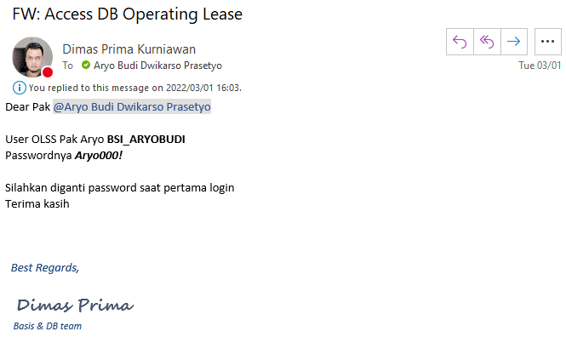

 | User/Password OLS Web App Production

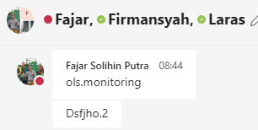

 |  |  | OLS.MONITORING
 |  |  | Dsfjho.2

0 | QA

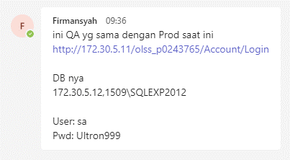

 | Web App:
 | http://172.30.5.11/olss_p0243765/Account/Login

 | Database:
 | 172.30.5.12,1509\SQLEXP2012

 | Database User / Password:
 | sa
 | Ultron999

0 | Info dari Pak Denur:

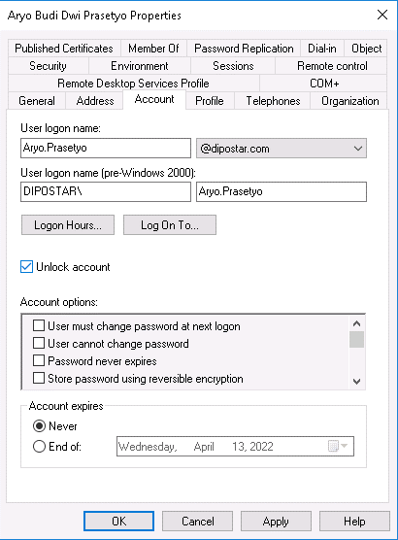
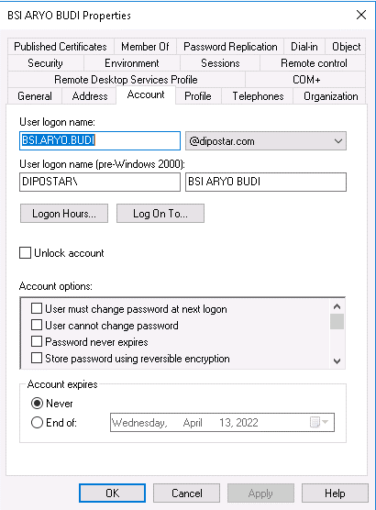

 | Info dari Pak Wawan DSF:

Documentation 01
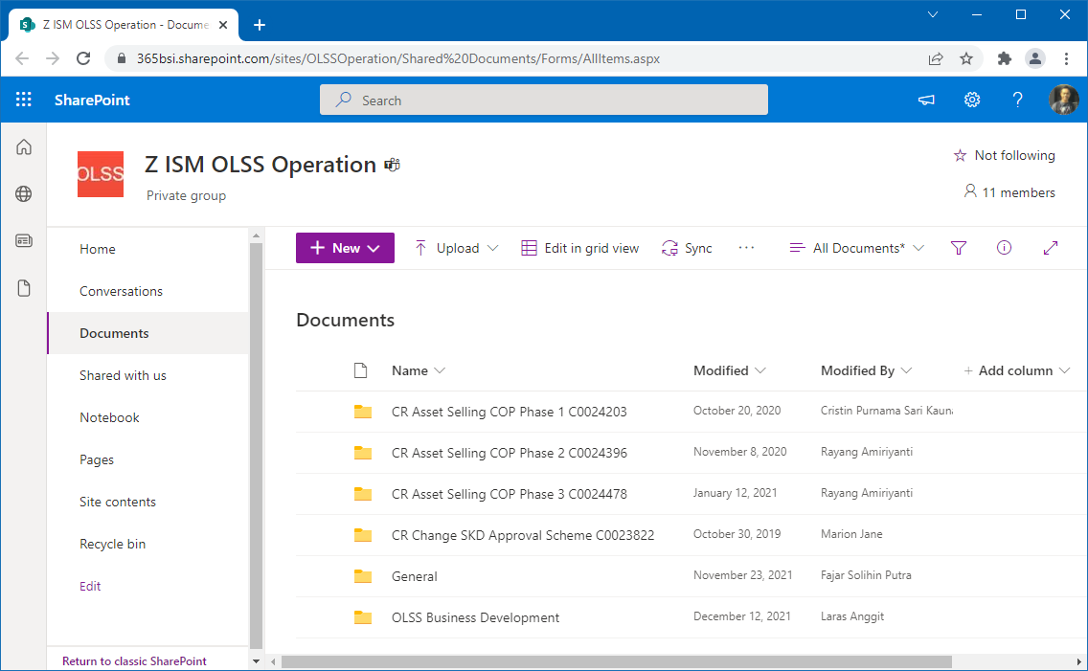
Documentation

SharePoint:
https://365bsi.sharepoint.com/sites/OLSSOperation/Shared%20Documents/Forms/AllItems.aspx

Documentation 02

Documentation

Primbon:

Documentation 03
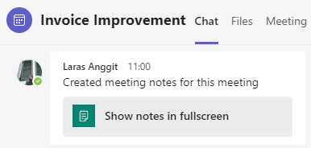
Documentation

Invoice Improvement

Documentation 05
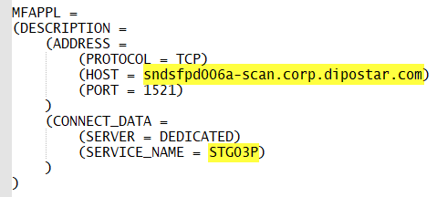
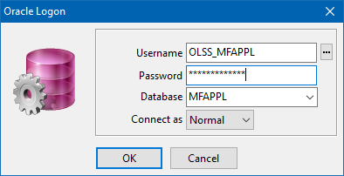
Monitor Billing

Documentation 06
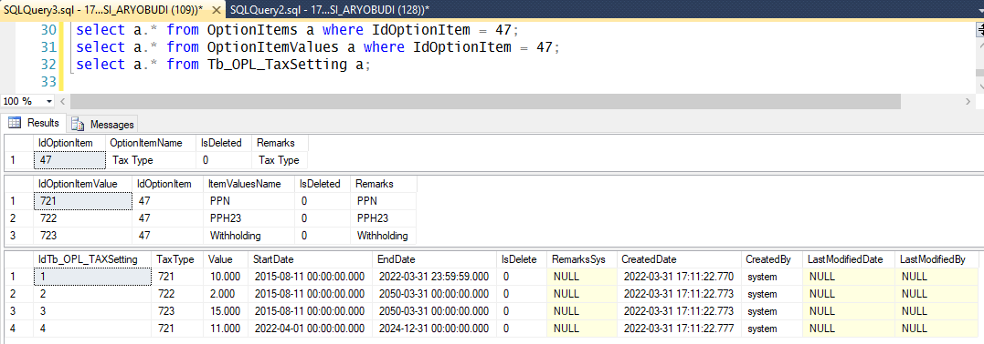
Tax / PPH23 / PPN

RE: Service Request S0266337 Down Time OPL System for deployment CR Change VAT Rate (11%)

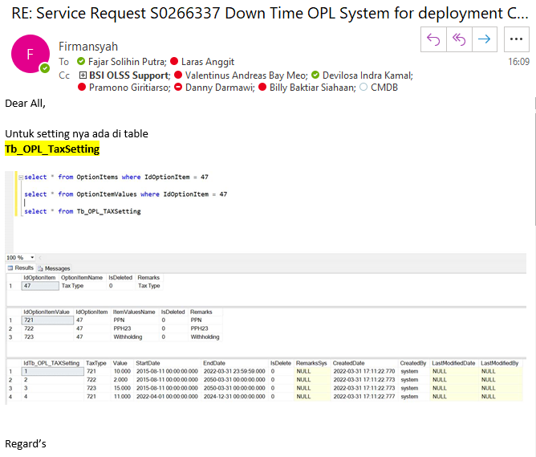

 | select a.* from OptionItems a where IdOptionItem = 47;
 | select a.* from OptionItemValues a where IdOptionItem = 47;
 | select a.* from Tb_OPL_TaxSetting a;

Diagram Table
Diagram Table

Pak Firmansyah:

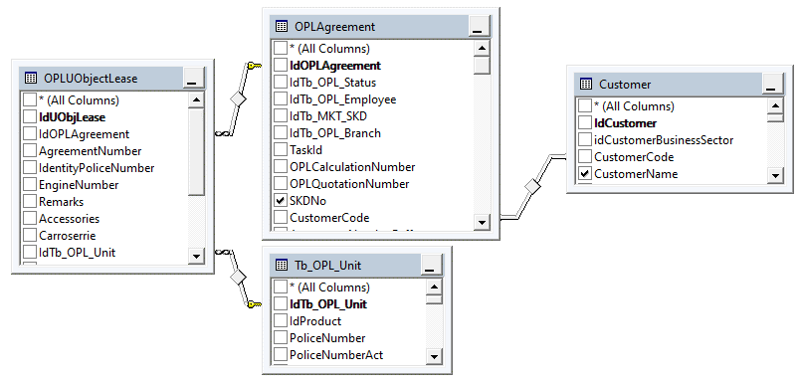

Bikin sendiri:

Monitor Billing Problem
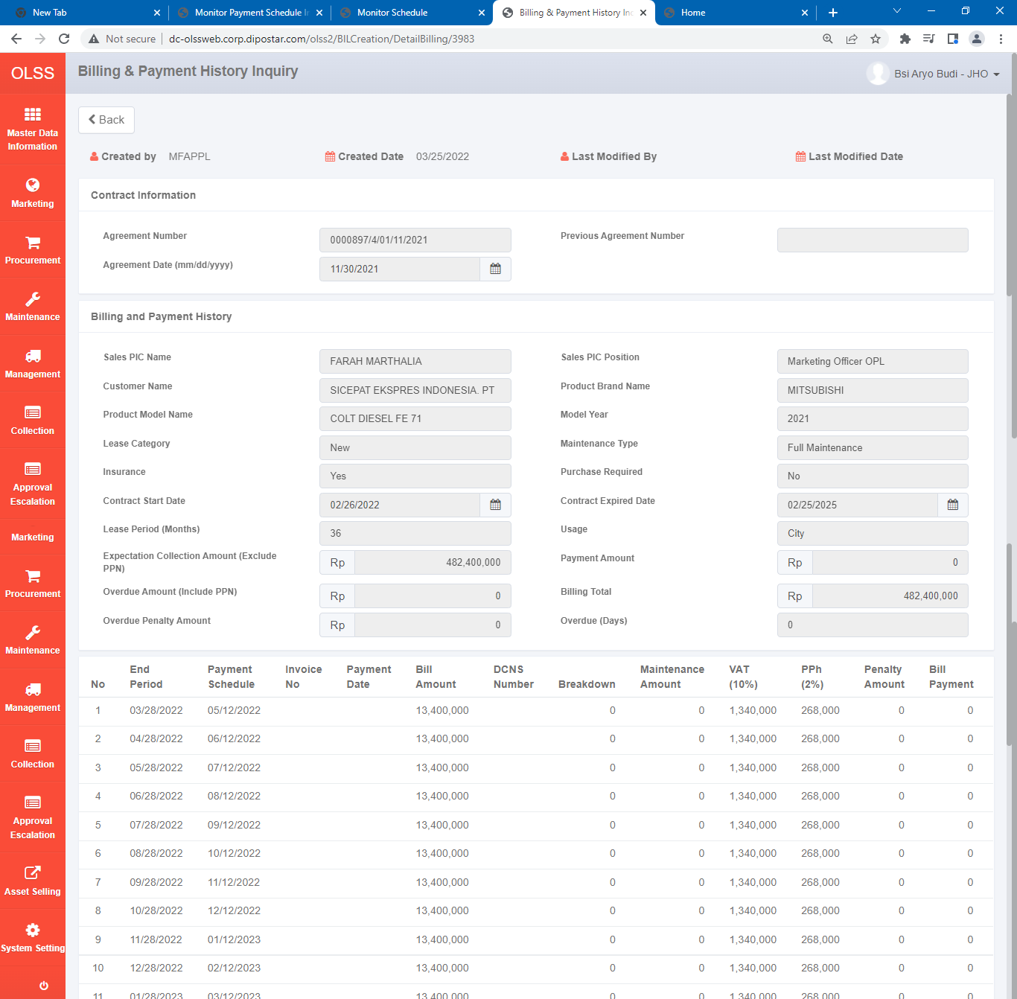
Monitor Billing Problem

Diambil dari Sheet 20220325FRI

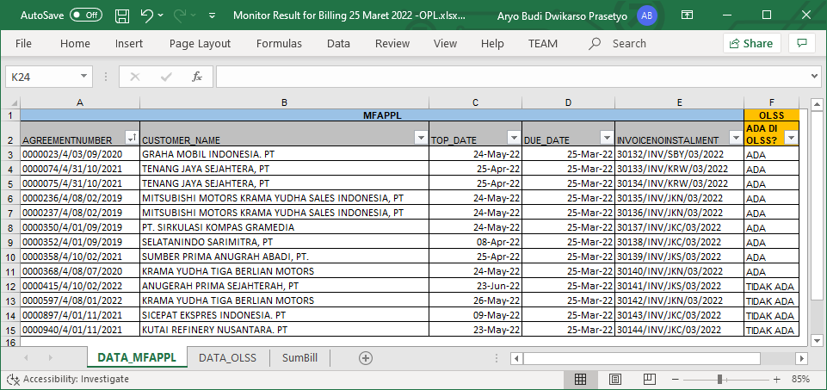

Tidak ada di OLS:
0000415/4/10/02/2022
0000597/4/08/01/2022
0000897/4/01/11/2021
0000940/4/01/11/2021

Contoh cek:

select a.*
from OPLAgreement a
where a.AgreementNumber = '0000415/4/10/02/2022';

select a.*
from Tb_BIL_PaySchedule a
where a.IdOPLAgreement = 2958;

select a.*
from Tb_BIL_PaySchedule a
where a.IdOPLAgreement = 2958;

select a.*
from Tb_BIL_PayScheduleDtl a
where a.IdTb_BIL_PaySchedule = 3984
order by a.StartPeriod desc, a.EndPeriod desc;

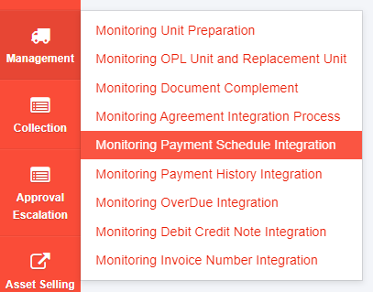

http://dc-olssweb.corp.dipostar.com/olss2/MGTIntegrationPaySchdl

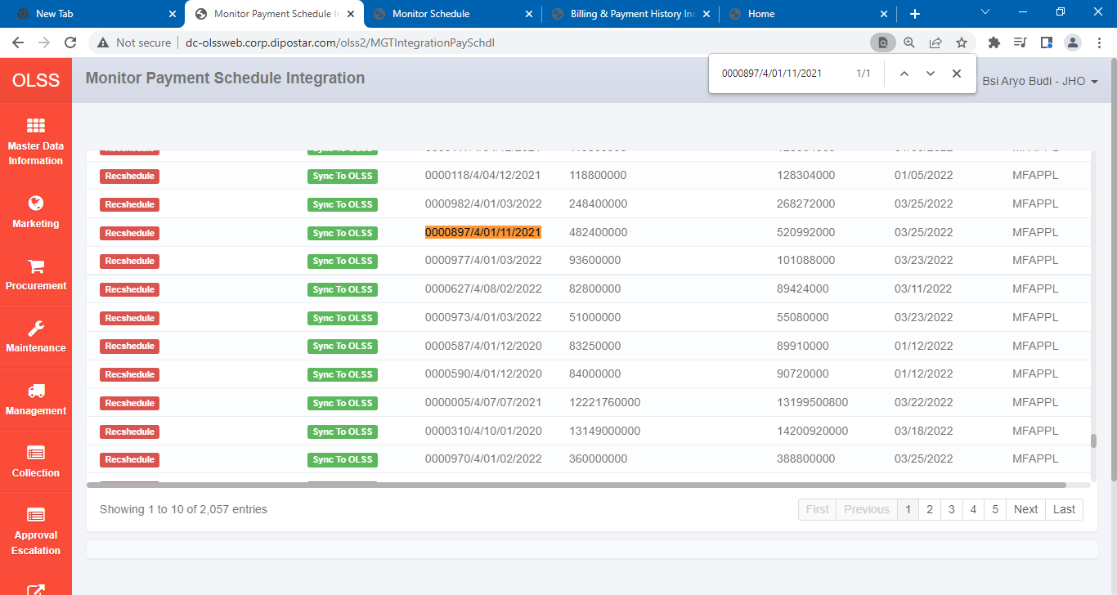
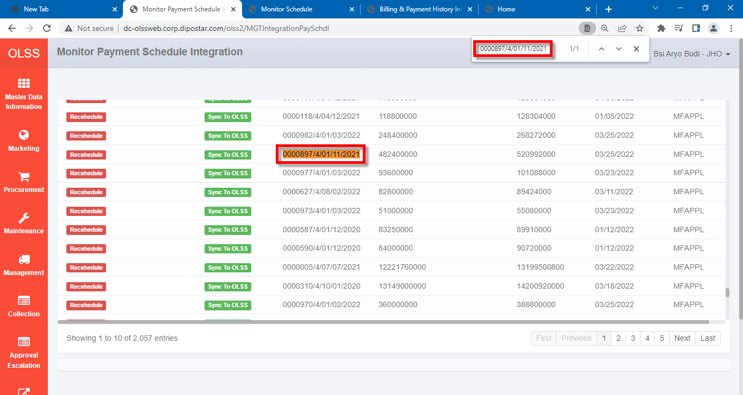

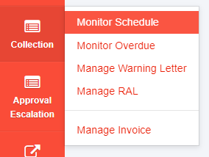

http://dc-olssweb.corp.dipostar.com/olss2/BILSchedule

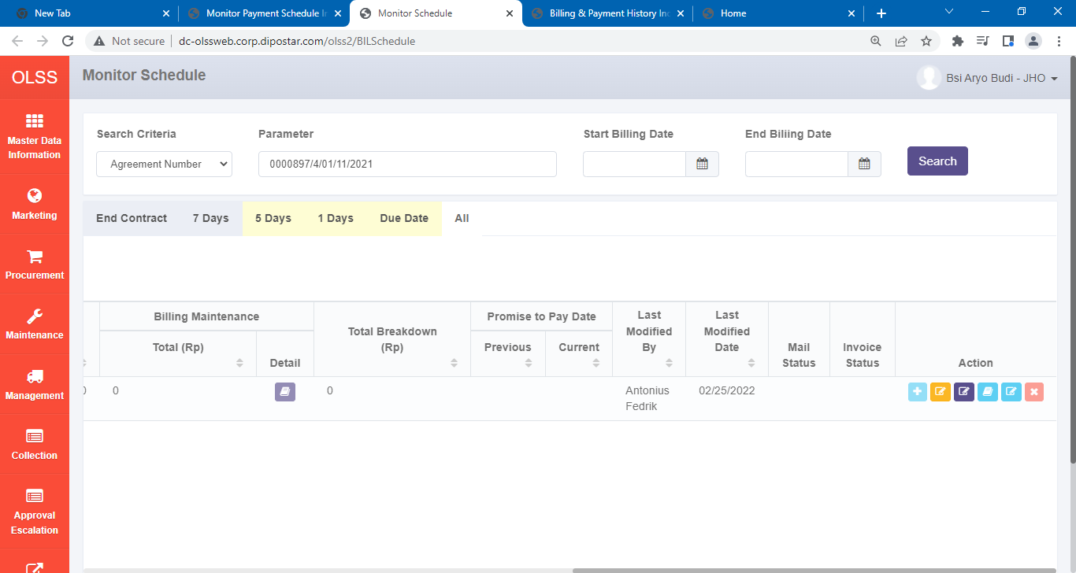
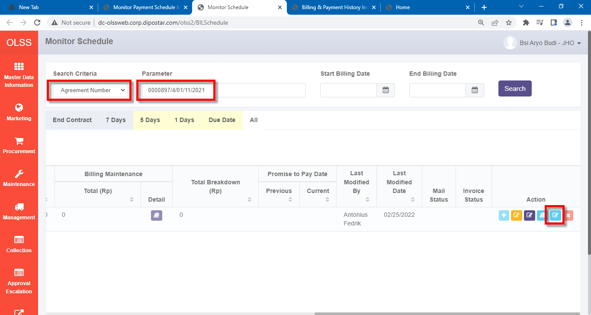

http://dc-olssweb.corp.dipostar.com/olss2/BILCreation/DetailBilling/3983

Video
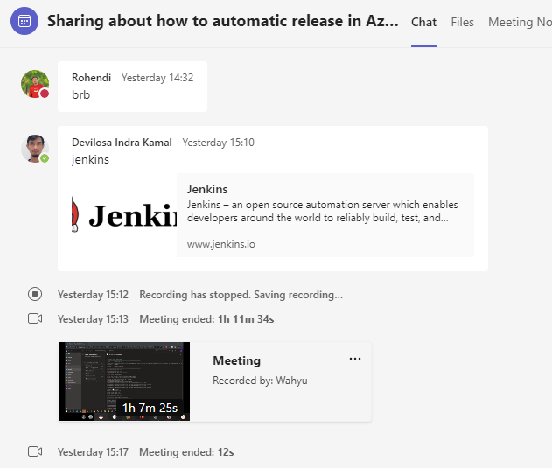
Video

Sharing about how to automatic release in Azure DevOps

CMDB Tips Tricks 01
CMDB Tips Tricks

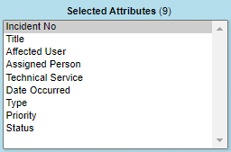
 | AS14403A
 | Progresss

Step 5
http://localhost:50729/Marketing/Operating-Lease-Cashflow/CalculationCashflow/Detail/383/5

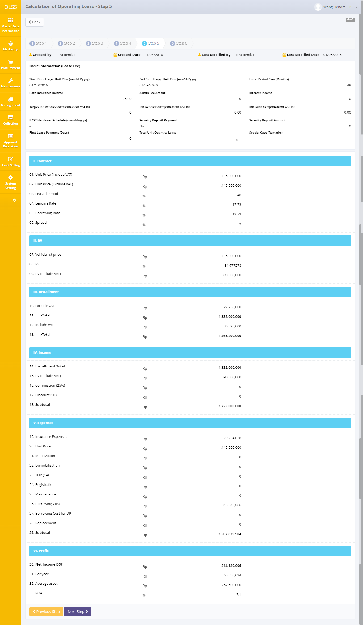

 | select top 10 *
 | from OPLCalculation
 | join OPLBasicCondition
 | on OPLCalculation.IdOPLCalculation = OPLBasicCondition.IdOPLCalculation
 | left join OPLFinanceCondition
 | on OPLCalculation.IdOPLCalculation = OPLFinanceCondition.IdOPLCalculation
 | left join OPLInsuranceCondition
 | on OPLCalculation.IdOPLCalculation = OPLInsuranceCondition.IdOPLCalculation
 | where OPLCalculation.OPLCalculationNumber = '00701/OCN/01/12/2021';

 | I. Contract
 |  | 01. Unit Price (Include VAT) |  | vm.ProductPriceWithVAT = (oplCalc.OPLBasicCondition.ProductPriceTotal ?? 0) + (oplCalc.OPLBasicCondition.CarroserriePriceTotal ?? 0) + (oplCalc.OPLBasicCondition.AccesoriesPriceTotal ?? 0);
 |  |  |  |  | oplCalc.OPLBasicCondition.ProductPriceTotal |  |  |  | OPLBasicCondition.ProductPriceTotal
 |  |  |  |  | oplCalc.OPLBasicCondition.CarroserriePriceTotal |  |  |  | OPLBasicCondition.CarroserriePriceTotal
 |  |  |  |  | oplCalc.OPLBasicCondition.AccesoriesPriceTotal |  |  |  | OPLBasicCondition.AccesoriesPriceTotal
 |  | 02. Unit Price (Exclude VAT) |  | vm.ProductPriceWithoutVAT = (oplCalc.OPLBasicCondition.ProductPriceTotal ?? 0) + (oplCalc.OPLBasicCondition.CarroserriePriceTotal ?? 0) + (oplCalc.OPLBasicCondition.AccesoriesPriceTotal ?? 0) - (oplCalc.CRVATInUnit ?? 0) - (oplCalc.CRVATInAccessories ?? 0) - (oplCalc.CRVATInCarroserries ?? 0);
 |  |  |  |  | oplCalc.OPLBasicCondition.ProductPriceTotal |  |  |  | OPLBasicCondition.ProductPriceTotal
 |  |  |  |  | oplCalc.OPLBasicCondition.CarroserriePriceTotal |  |  |  | OPLBasicCondition.CarroserriePriceTotal
 |  |  |  |  | oplCalc.OPLBasicCondition.AccesoriesPriceTotal |  |  |  | OPLBasicCondition.AccesoriesPriceTotal
 |  |  |  |  | oplCalc.CRVATInUnit |  |  |  | OPLCalculation.CRVATInUnit
 |  |  |  |  | oplCalc.CRVATInAccessories |  |  |  | OPLCalculation.CRVATInAccessories
 |  |  |  |  | oplCalc.CRVATInCarroserries |  |  |  | OPLCalculation.CRVATInCarroserries
 |  | 03. Leased Period |  | vm.LeasePeriodPlan = oplCalc.LeasePeriodPlan ?? 0;
 |  |  |  |  | oplCalc.LeasePeriodPlan |  |  |  | OPLCalculation.LeasePeriodPlan
 |  | 04. Lending Rate |  | vm.PrimeEffectivePercent = oplCalc.OPLFinanceCondition.PrimeEffectivePercent ?? 0;
 |  |  |  |  | oplCalc.OPLFinanceCondition.PrimeEffectivePercent |  |  |  | OPLFinanceCondition.PrimeEffectivePercent
 |  | 05. Borrowing Rate |  | vm.BorrowingEffectivePercent = oplCalc.OPLFinanceCondition.BorrowingEffectivePercent ?? 0;
 |  |  |  |  | oplCalc.OPLFinanceCondition.BorrowingEffectivePercent |  |  |  | OPLFinanceCondition.BorrowingEffectivePercent
 |  | 06. Spread |  | vm.SpreadEffectivePercent = oplCalc.OPLFinanceCondition.SpreadEffectivePercent ?? 0;
 |  |  |  |  | oplCalc.OPLFinanceCondition.SpreadEffectivePercent |  |  |  | OPLFinanceCondition.SpreadEffectivePercent
 | II. RV
 |  | 07. Vehicle list price |  | vm.VehicleListPrice = (oplCalc.OPLBasicCondition.ProductPrice ?? 0 + oplCalc.CRVATInUnit ?? 0) + (oplCalc.OPLBasicCondition.CarroserriePrice ?? 0 + oplCalc.CRVATInCarroserries ?? 0);
 |  |  |  |  | oplCalc.OPLBasicCondition.ProductPrice |  |  |  | OPLBasicCondition.ProductPrice
 |  |  |  |  | oplCalc.CRVATInUnit |  |  |  | OPLCalculation.CRVATInUnit
 |  |  |  |  | oplCalc.OPLBasicCondition.CarroserriePrice |  |  |  | OPLBasicCondition.CarroserriePrice
 |  |  |  |  | oplCalc.CRVATInCarroserries |  |  |  | OPLCalculation.CRVATInCarroserries
 |  | 08. RV |  | if (vm.IsNewCalculation)
 |  |  |  |  | vm.ResidualValuePercent = oplCalc.OPLBasicCondition.ResidualValuePercent ?? 0;
 |  |  |  |  |  | oplCalc.OPLBasicCondition.ResidualValuePercent |  |  | OPLBasicCondition.ResidualValuePercent
 |  |  |  | else
 |  |  |  |  | vm.ResidualValuePercent = vm.ResidualValueAmountWithVAT / vm.ProductPriceWithoutVAT * 100;
 |  |  |  |  |  | vm.ResidualValueAmountWithVAT |  |  | See 09
 |  |  |  |  |  | vm.ProductPriceWithoutVAT |  |  | See 02
 |  | 09. RV (Include VAT) |  | vm.ResidualValueAmountWithVAT = (oplCalc.OPLBasicCondition.ResidualValueAmount ?? 0);
 | III. Installment |  |  |  | oplCalc.OPLBasicCondition.ResidualValueAmount |  |  |  | OPLBasicCondition.ResidualValueAmount
 |  | 10. Exclude VAT |  | vm.MonthlyInstallmentWithoutVatTax = Math.Ceiling(oplCalc.MonthlyInstallmentAmount ?? 0);
 |  |  |  |  | oplCalc.MonthlyInstallmentAmount |  |  |  | OPLCalculation.MonthlyInstallmentAmount
 |  | 11. ⇒Total |  | vm.TotalInstallmentWithoutVatTax = vm.MonthlyInstallmentWithoutVatTax * vm.LeasePeriodPlan;
 |  |  |  |  | vm.MonthlyInstallmentWithoutVatTax |  |  |  | See 10
 |  |  |  |  | vm.LeasePeriodPlan |  |  |  | See 03
 |  | 12. Include VAT |  | vm.MonthlyInstallmentWithVatTax = vm.MonthlyInstallmentWithoutVatTax * 110 / 100;
 |  |  |  |  | vm.MonthlyInstallmentWithoutVatTax |  |  |  | See 10
 |  | 13. ⇒Total |  | vm.TotalInstallmentWithVatTax = vm.MonthlyInstallmentWithVatTax * vm.LeasePeriodPlan;
 |  |  |  |  | vm.MonthlyInstallmentWithVatTax |  |  |  | See 12
 |  |  |  |  | vm.LeasePeriodPlan |  |  |  | See 03
 | IV. Income
 |  | 14. Installment Total |  | vm.TotalInstallmentWithoutVatTax = vm.MonthlyInstallmentWithoutVatTax * vm.LeasePeriodPlan;
 |  |  |  |  | vm.MonthlyInstallmentWithoutVatTax |  |  |  | See 10
 |  |  |  |  | vm.LeasePeriodPlan |  |  |  | See 03
 |  | @if(Model.IsNewCalculation) |  | if (vm.IsNewCalculation)
 |  |  |  |  | vm.IsNewCalculation |  |  |  | OPLCalculation.IsNewCalculation
 |  |  | 15. RV (Exclude VAT) |  | vm.ResidualValueAmountWithoutVAT = vm.ResidualValueAmountWithVAT * 100 / 110;
 |  |  |  |  |  | vm.ResidualValueAmountWithVAT |  |  | See 09
 |  | else |  | else
 |  |  | 15. RV (Include VAT) |  | vm.ResidualValueAmountWithoutVAT = vm.ResidualValueAmountWithVAT;
 |  |  |  |  |  | vm.ResidualValueAmountWithVAT |  |  | See 09
 |  | 16. Commission (@Decimal.Round(Model.RateInsuranceIncome, 0)%) |  | if (oplCalc.OPLInsuranceCondition != null)
 |  |  |  |  | vm.RateInsuranceIncome = oplCalc.OPLInsuranceCondition.CommissionRate ?? 0;
 |  |  |  |  |  | oplCalc.OPLInsuranceCondition.CommissionRate |  |  | OPLInsuranceCondition.CommissionRate
 |  |  |  |  | InsuranceDiscount = oplCalc.InsuranceCommisionAmount ?? 0;
 |  |  |  |  |  | oplCalc.InsuranceCommisionAmount |  |  | OPLCalculation.InsuranceCommisionAmount
 |  | 17. Discount KTB |  | if (oplCalc.OPLBasicCondition != null)
 |  |  |  |  | vm.DiscountKtb = oplCalc.OPLBasicCondition.ATPMDiscount ?? 0;
 |  |  |  |  |  | oplCalc.OPLBasicCondition.ATPMDiscount |  |  | OPLBasicCondition.ATPMDiscount
 |  | 18. Subtotal |  | vm.SubTotalIncomeWithVatTax = vm.ResidualValueAmountWithoutVAT + vm.InsuranceDiscount + vm.TotalInstallmentWithoutVatTax + vm.DiscountKtb;
 |  |  |  |  | if (vm.IsNewCalculation) |  |  |  | OPLCalculation.IsNewCalculation
 |  |  |  |  |  | vm.ResidualValueAmountWithoutVAT |  |  | See 15
 |  |  |  |  | if (oplCalc.OPLInsuranceCondition != null)
 |  |  |  |  |  | vm.InsuranceDiscount |  |  | OPLCalculation.InsuranceCommisionAmount
 |  |  |  |  | vm.TotalInstallmentWithoutVatTax |  |  |  | See 11
 |  |  |  |  | if (oplCalc.OPLBasicCondition != null)
 |  |  |  |  |  | vm.DiscountKtb |  |  | OPLBasicCondition.ATPMDiscount
 |  | 19. Insurance Expenses |  | if (oplCalc.OPLInsuranceCondition != null)
 |  |  |  |  | vm.InsuranceCost = oplCalc.OPLInsuranceCondition.TotalGrossPremium ?? 0;
 |  |  |  |  |  | oplCalc.OPLInsuranceCondition.TotalGrossPremium |  |  | OPLInsuranceCondition.TotalGrossPremium
 |  | 20. Unit Price |  | vm.ProductPriceWithoutVAT = (oplCalc.OPLBasicCondition.ProductPriceTotal ?? 0) + (oplCalc.OPLBasicCondition.CarroserriePriceTotal ?? 0) + (oplCalc.OPLBasicCondition.AccesoriesPriceTotal ?? 0) - (oplCalc.CRVATInUnit ?? 0) - (oplCalc.CRVATInAccessories ?? 0) - (oplCalc.CRVATInCarroserries ?? 0);
 |  |  |  |  | oplCalc.OPLBasicCondition.ProductPriceTotal |  |  |  | OPLBasicCondition.ProductPriceTotal
 |  |  |  |  | oplCalc.OPLBasicCondition.CarroserriePriceTotal |  |  |  | OPLBasicCondition.CarroserriePriceTotal
 |  |  |  |  | oplCalc.OPLBasicCondition.AccesoriesPriceTotal |  |  |  | OPLBasicCondition.AccesoriesPriceTotal
 |  |  |  |  | oplCalc.CRVATInUnit |  |  |  | OPLCalculation.CRVATInUnit
 |  |  |  |  | oplCalc.CRVATInAccessories |  |  |  | OPLCalculation.CRVATInAccessories
 |  |  |  |  | oplCalc.CRVATInCarroserries |  |  |  | OPLCalculation.CRVATInCarroserries
 |  | 21. Mobilization |  | vm.MobilizationCost = oplCalc.TotalMobilizationFeeAmount ?? 0;
 |  |  |  |  | oplCalc.TotalMobilizationFeeAmount |  |  |  | OPLCalculation.TotalMobilizationFeeAmount
 |  | 22. Demobilization |  | vm.DemobilizationCost = oplCalc.TotalDemobilizationFeeAmount ?? 0;
 |  |  |  |  | oplCalc.TotalDemobilizationFeeAmount |  |  |  | OPLCalculation.TotalDemobilizationFeeAmount
 |  | 23. TOP (@Model.TermPaymentDays) |  | vm.TermPaymentDays = oplCalc.OPLFinanceCondition.TermPaymentDays ?? 0;
 |  |  |  |  | oplCalc.OPLFinanceCondition.TermPaymentDays |  |  |  | OPLFinanceCondition.TermPaymentDays
 |  |  |  | vm.InterestCostTOP = oplCalc.InterestCostTop ?? 0;
 |  |  |  |  | oplCalc.InterestCostTop |  |  |  | OPLCalculation.InterestCostTop
 |  | 24. Registration |  | if (oplCalc.OPLFinanceCondition != null)
 |  |  |  |  | vm.STNKKEURRenewalCost = oplCalc.OPLFinanceCondition.RegistrationValueAmount ?? 0;
 |  |  |  |  |  | oplCalc.OPLFinanceCondition.RegistrationValueAmount |  |  | OPLFinanceCondition.RegistrationValueAmount
 |  | 25. Maintenance |  | vm.MaintenanceCost = oplCalc.SumMaintenanceCost ?? 0;
 |  |  |  |  | oplCalc.SumMaintenanceCost |  |  |  | OPLCalculation.SumMaintenanceCost
 |  | 26. Borrowing Cost |  | vm.InterestCostWithVatTax = oplCalc.IsNewCalculation == true ? (oplCalc.InterestExpense ?? 0) + (oplCalc.InterestExpenseVAT ?? 0) + (oplCalc.InterestExpenseTAX ?? 0) : (oplCalc.InterestExpense ?? 0);
 |  |  |  |  | oplCalc.IsNewCalculation |  |  |  | OPLCalculation.IsNewCalculation
 |  |  |  |  | oplCalc.InterestExpense |  |  |  | OPLCalculation.InterestExpense
 |  |  |  |  | oplCalc.InterestExpenseVAT |  |  |  | OPLCalculation.InterestExpenseVAT
 |  |  |  |  | oplCalc.InterestExpenseTAX |  |  |  | OPLCalculation.InterestExpenseTAX
 |  | 27. Borrowing Cost for DP |  | vm.InterestCostBAST = (decimal)oplCalc.InterestExpenseBAST;
 |  |  |  |  | oplCalc.InterestExpenseBAST |  |  |  | OPLCalculation.InterestExpenseBAST
 |  | 28. Replacement |  | vm.ReplacementUnitCost = oplCalc.OPLFinanceCondition.ReplacementCarAmount ?? 0;
 |  |  |  |  | oplCalc.OPLFinanceCondition.ReplacementCarAmount |  |  |  | OPLFinanceCondition.ReplacementCarAmount
 |  | 29. Subtotal |  | vm.SubTotalExpensesWithVatTax = vm.SubTotalExpenses + (oplCalc.InterestExpenseVAT ?? 0) + (oplCalc.InterestExpenseTAX ?? 0);
 | VI. Profit |  |  |  | vm.SubTotalExpenses = vm.InsuranceCost + vm.ProductPriceWithoutVAT + vm.MobilizationCost + vm.DemobilizationCost + vm.InterestCostTOP + vm.STNKKEURRenewalCost + vm.MaintenanceCost + vm.InterestCost + vm.ReplacementUnitCost + vm.InterestCostBAST;
 |  |  |  |  |  | if (oplCalc.OPLInsuranceCondition != null)
 |  |  |  |  |  |  | vm.InsuranceCost
 |  |  |  |  |  |  |  | oplCalc.OPLInsuranceCondition.TotalGrossPremium | OPLInsuranceCondition.TotalGrossPremium
 |  |  |  |  |  | vm.ProductPriceWithoutVAT

 |  |  |  |  |  | vm.MobilizationCost |  |  | See 03
 |  |  |  |  |  | vm.DemobilizationCost |  |  | See 22
 |  |  |  |  |  | vm.InterestCostTOP
 |  |  |  |  |  |  | oplCalc.InterestCostTop |  | OPLCalculation.InterestCostTop
 |  |  |  |  |  | vm.STNKKEURRenewalCost
 |  |  |  |  |  |  | oplCalc.OPLFinanceCondition.RegistrationValueAmount |  | OPLFinanceCondition.RegistrationValueAmount
 |  |  |  |  |  | vm.MaintenanceCost |  |  | See 22
 |  |  |  |  |  | vm.InterestCost = oplCalc.InterestExpense ?? 0;
 |  |  |  |  |  |  | oplCalc.InterestExpense |  | OPLCalculation.InterestExpense
 |  |  |  |  |  | vm.ReplacementUnitCost |  |  | See 28
 |  |  |  |  |  | vm.InterestCostBAST |  |  | See 28
 |  |  |  |  | oplCalc.InterestExpenseVAT |  |  |  | OPLCalculation.InterestExpenseVAT
 |  |  |  |  | oplCalc.InterestExpenseTAX |  |  |  | OPLCalculation.InterestExpenseTAX
 |  | 30. Net Income DSF |  | vm.NetIncomeWithVatTax = Math.Round(vm.SubTotalIncomeWithVatTax) - Math.Round(vm.SubTotalExpensesWithVatTax);
 |  |  |  |  | vm.SubTotalIncomeWithVatTax |  |  |  | See 18
 |  |  |  |  | vm.SubTotalExpensesWithVatTax |  |  |  | See 29
 |  | 31. Per year |  | vm.NetIncomeWithVatTaxPerYear = vm.NetIncomeWithVatTax / vm.LeasePeriodPlan * 12;
 |  |  |  |  | vm.NetIncomeWithVatTax |  |  |  | See 30
 |  |  |  |  | vm.LeasePeriodPlan |  |  |  | See 03
 |  | 32. Average asset |  | vm.AverageAsset = ((vm.VehicleListPrice - vm.ResidualValueAmountWithVAT) / 2) + vm.ResidualValueAmountWithVAT;
 |  |  |  |  | vm.VehicleListPrice |  |  |  | See 07
 |  |  |  |  | vm.ResidualValueAmountWithVAT |  |  |  | See 09
 |  | 33. ROA |  | vm.ROA = (vm.NetIncomeWithVatTaxPerYear / vm.AverageAsset) * 100;
 |  |  |  |  | vm.NetIncomeWithVatTaxPerYear |  |  |  | See 31
 |  |  |  |  | vm.AverageAsset |  |  |  | See 32

Visit Customer Survey
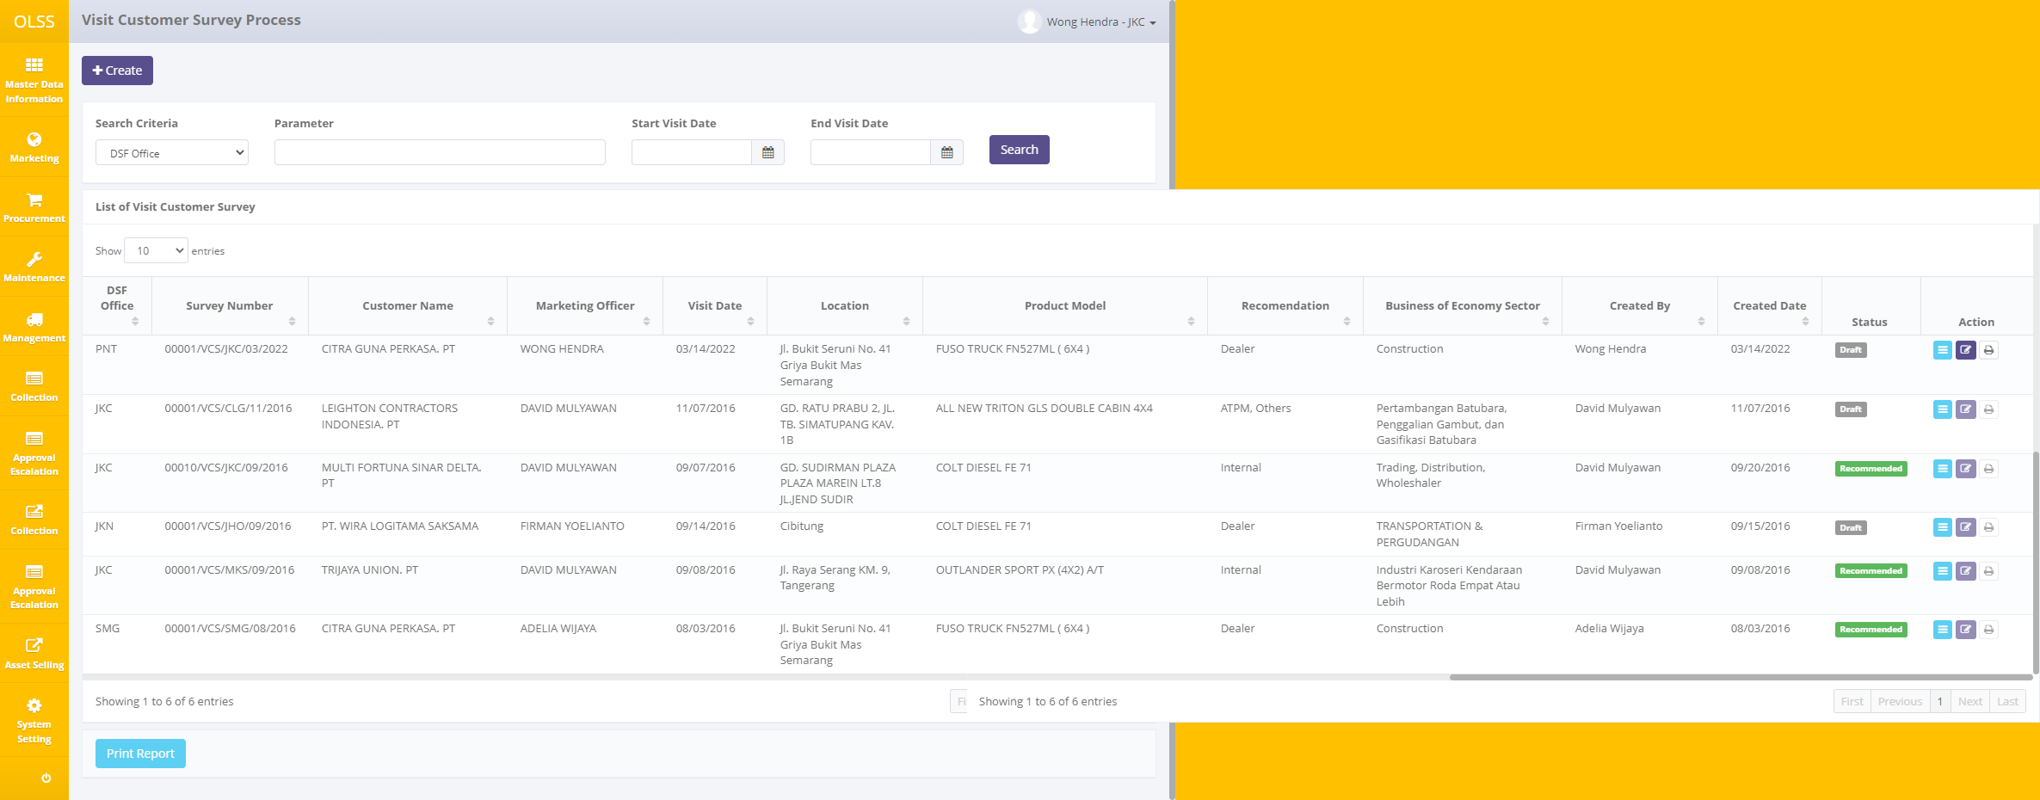
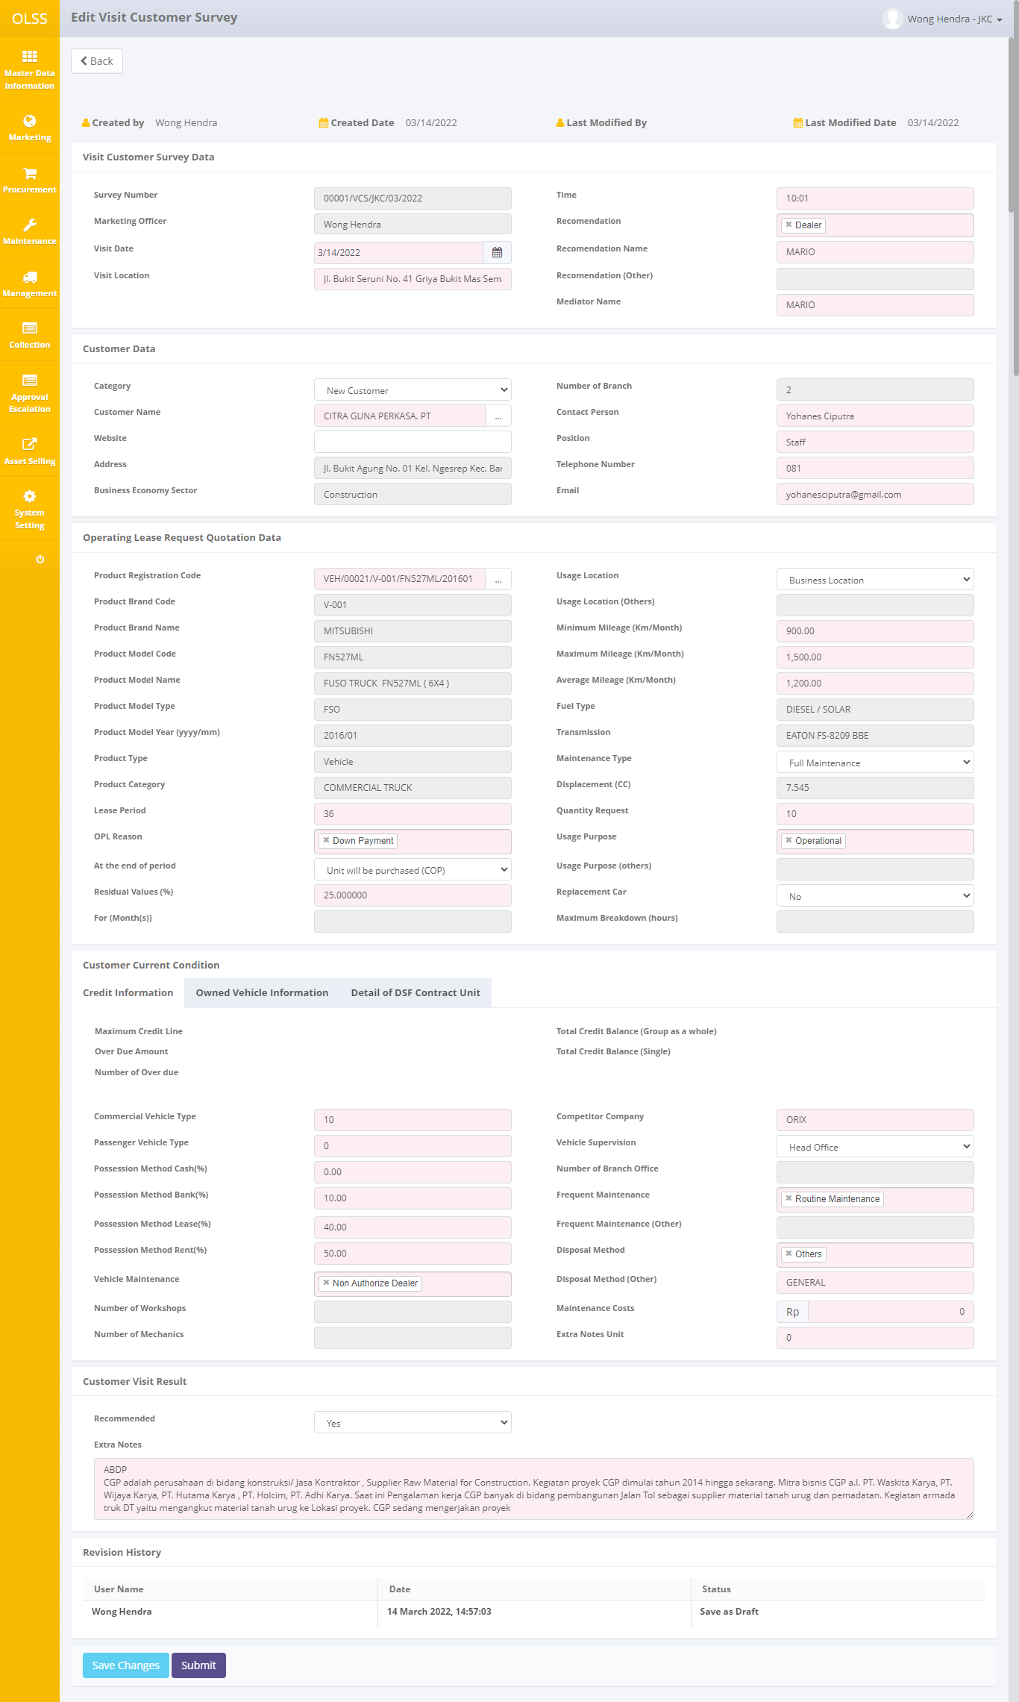
Visit Customer Survey

Complement Document
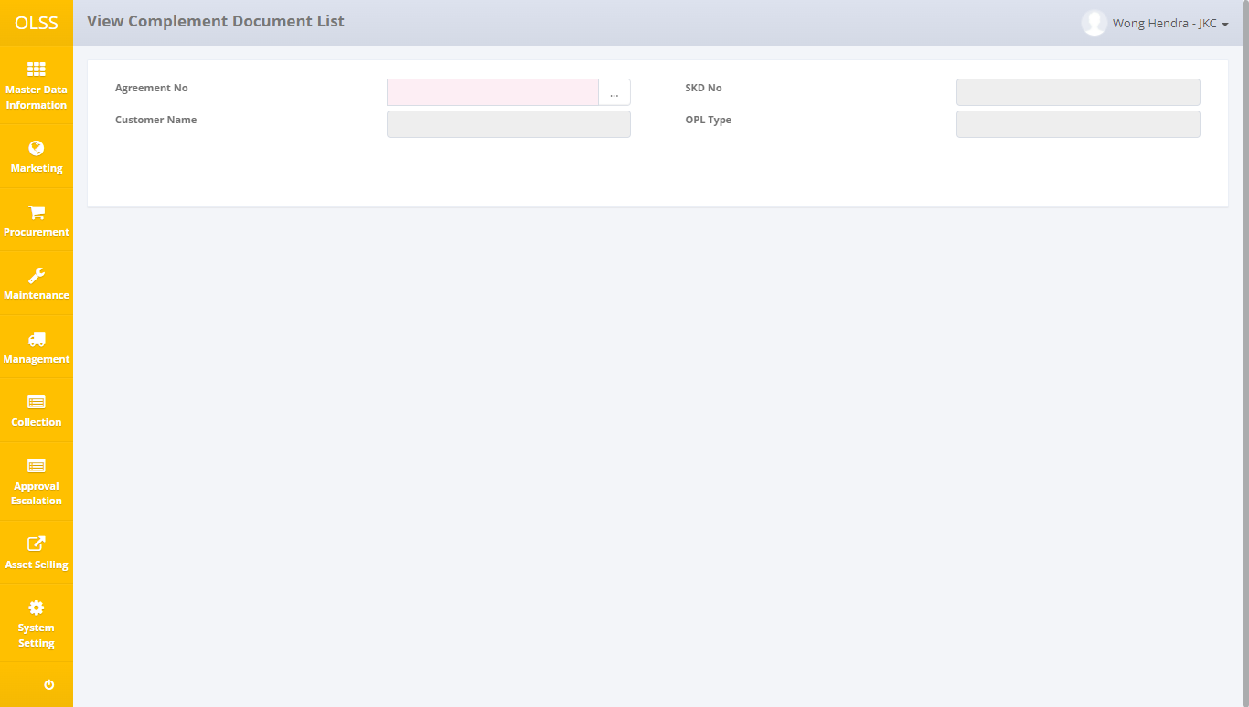
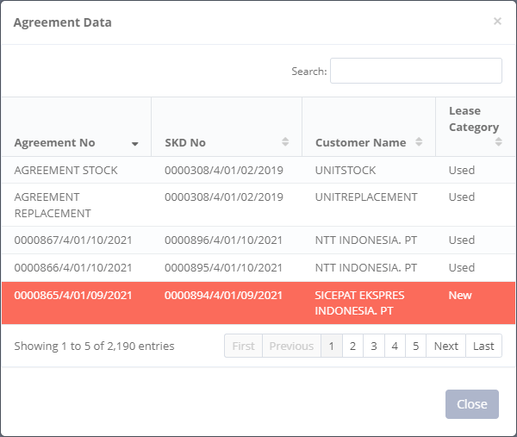
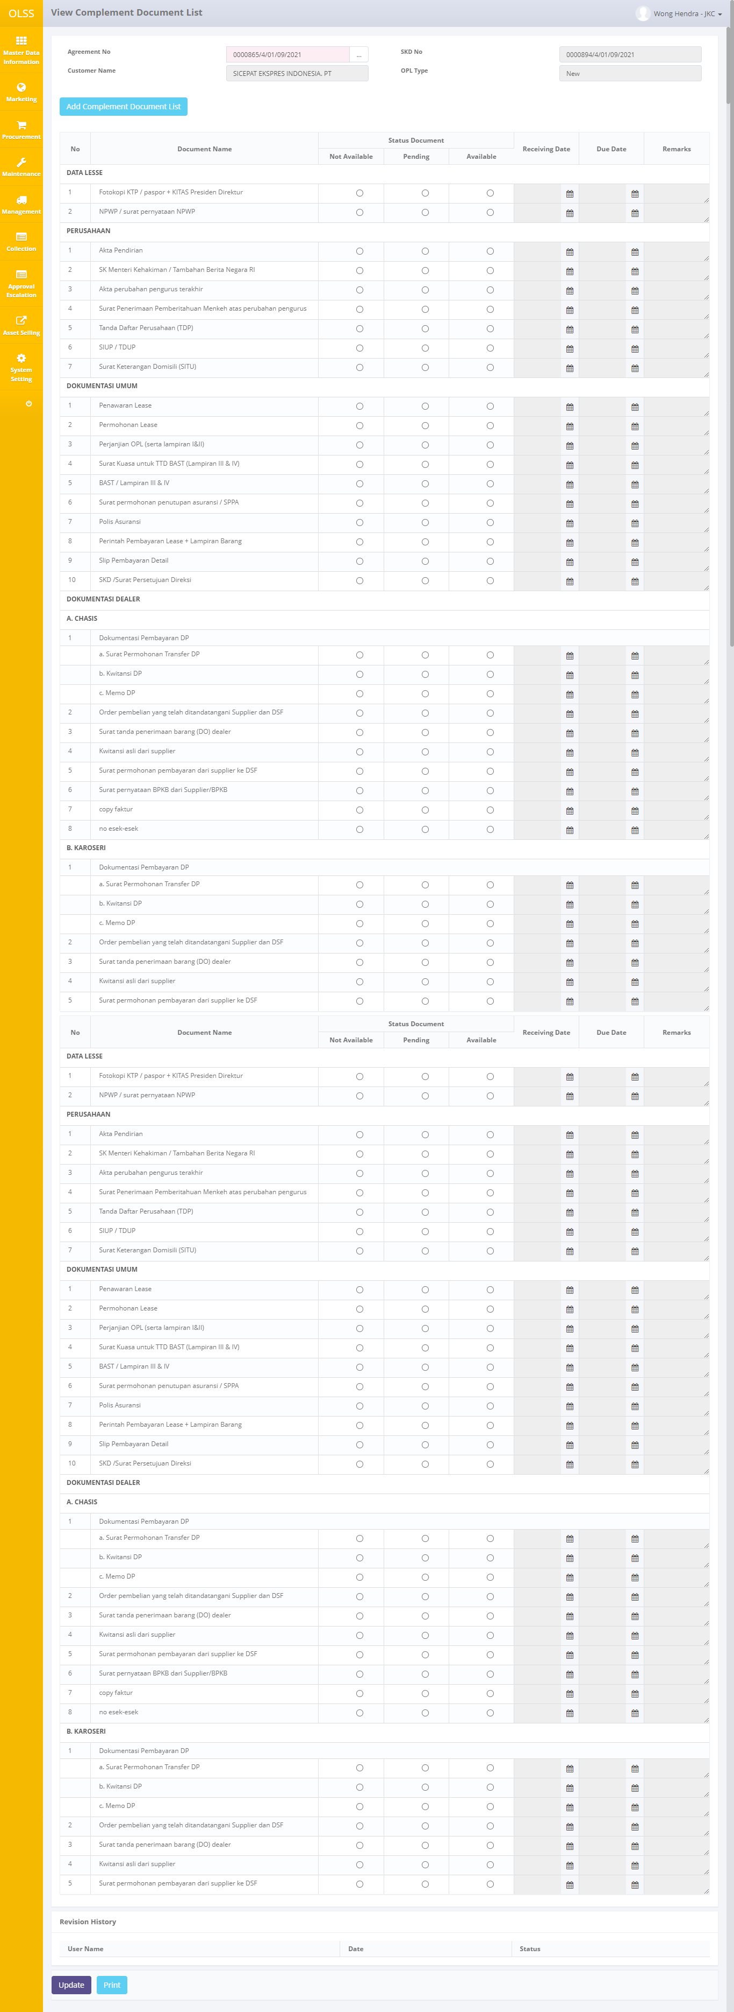
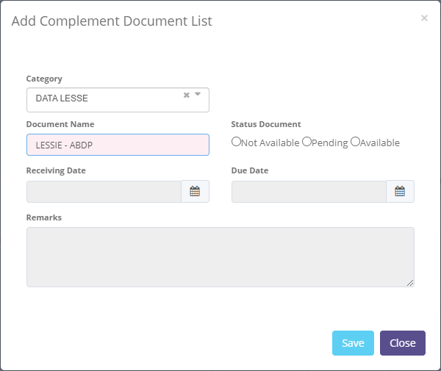
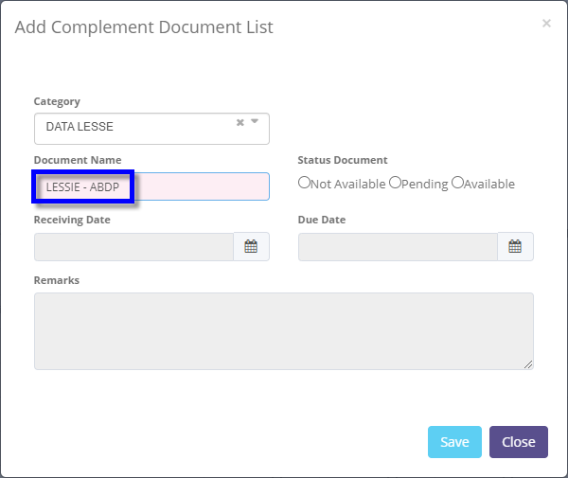
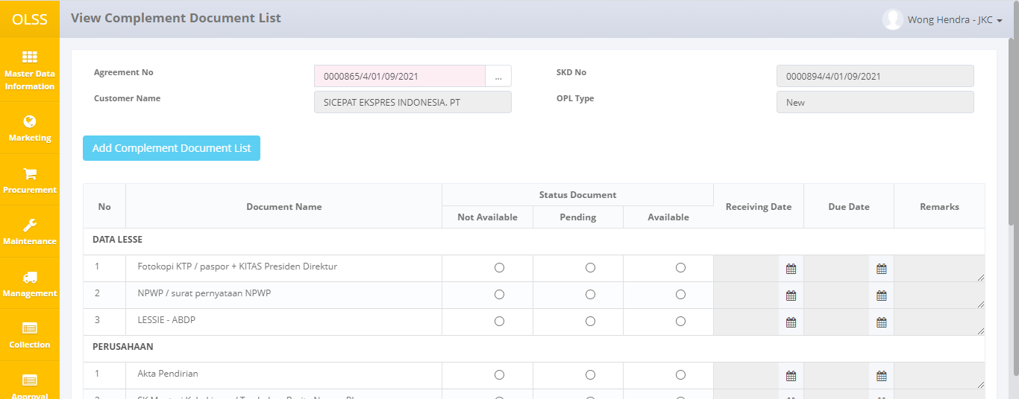
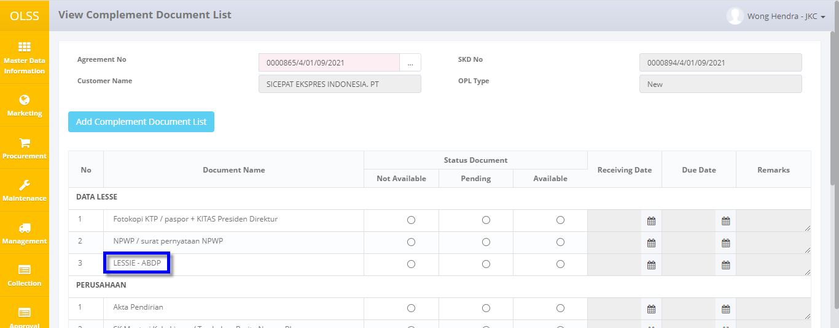
Complement Document

TEMPLATES
10
1
PKG_ACA060103W.DO_SEARCH

1
1
BEFORE
1. tb_r_credit_mgmt.usl_source_cd
2. tb_r_credit_mgmt.csp_source_cd
3. tb_r_credit_mgmt.bpkb_ktp_id_no
4. tb_r_credit_mgmt.bpkb_nm_jur_personality_cd
5. tb_r_credit_mgmt.bpkb_nm_occupation_cd
ACA

Auto Credit Approval
ACA

2

 | ← | ↓ | ↑ | → | ↔ | ↕ | ↙ | ↘ | ↖ | ↗
 | © | ™ | ®

Transparant Background Color
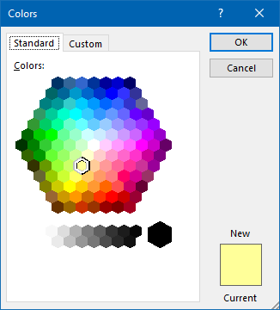
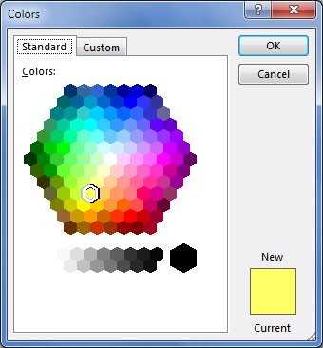
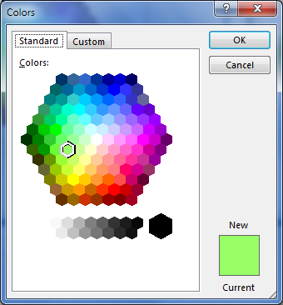
1 | 2 | 3




4 | 5 | 6

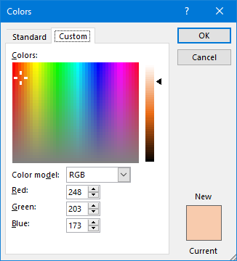
7

